Hiearchy View
CLASS: FIRE HOSE RACK
reels and fire hose racks are designed to both store and deploy fire hose. |  | 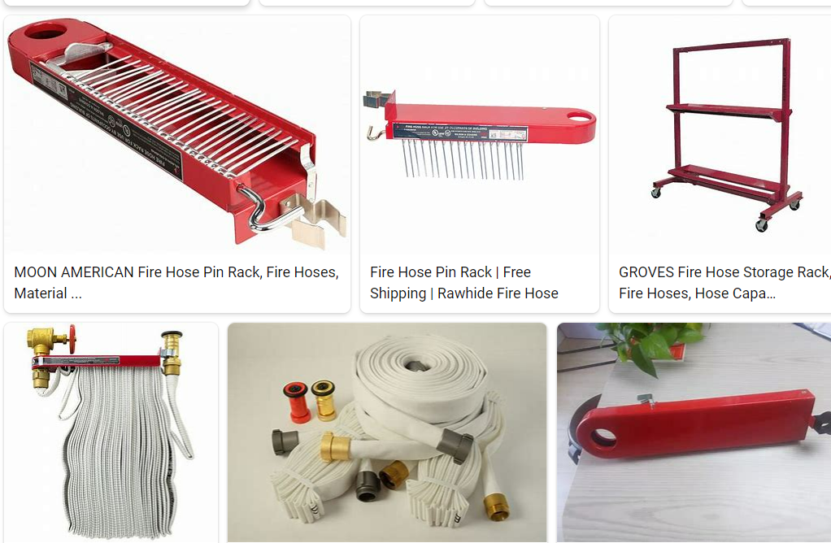
REMOVE | N

PROBLEM_DESC | CAUSE_DESC | REMEDY_DESC
BROKEN/DAMAGED
LEAKING
OTHER PROBLEM
POWER-ELEC
PRESSURE
STOPPED/SLOWED/POOR OPS
VIBRATION
Grand Total

